Parameter values in the case
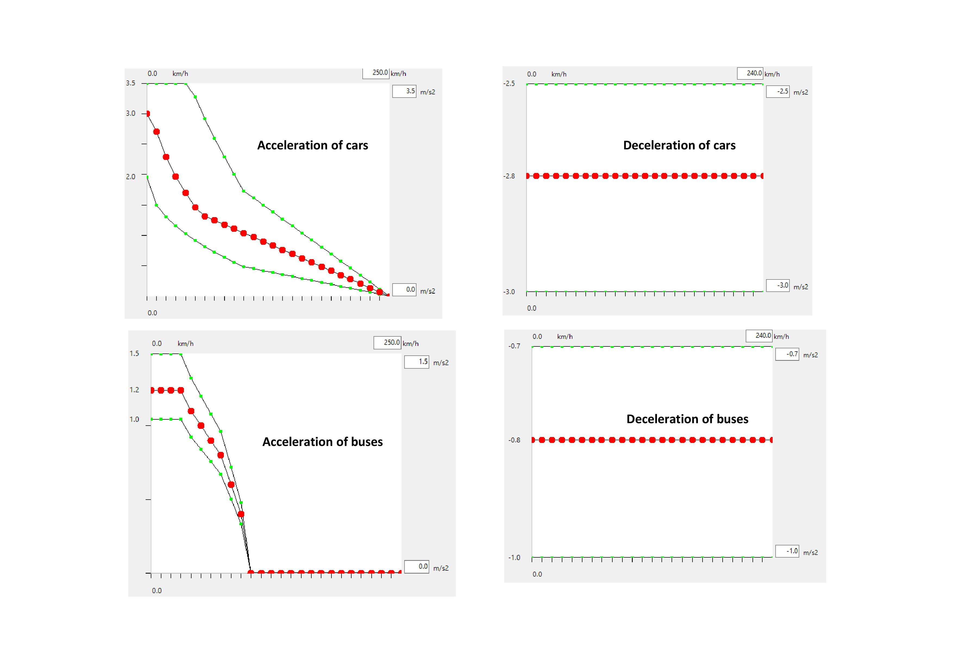
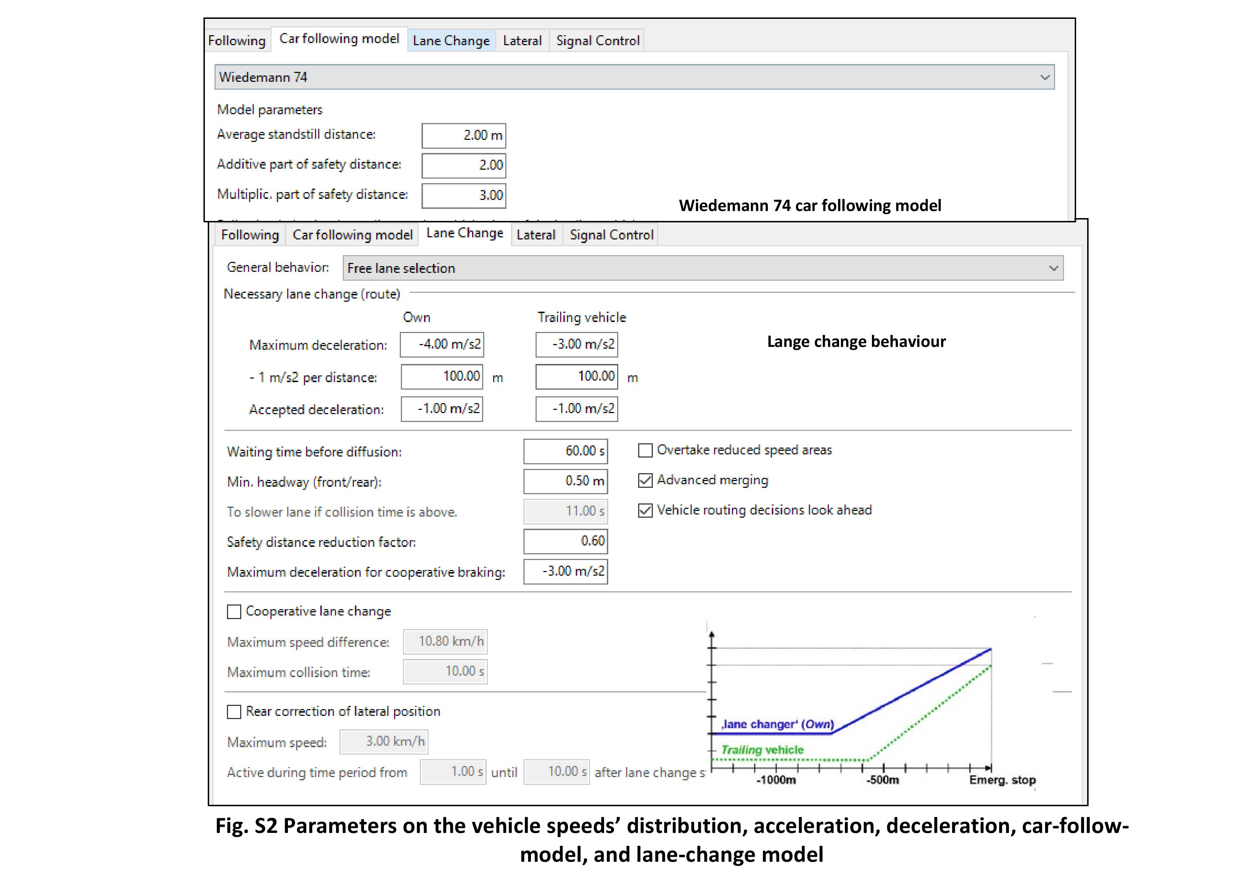
Parameter values in this traffic simulation model
Class | Subclass | Subclass | Subclass | Data Properties | Specific values in this case study | Sources

Computer Vision Techniques |  |  |  |  | / | /
 | Detection Model |  |  |  | / | /
 |  |  |  | Detection Performance | Illustrated in sections 3.1.2 and 4.1 | Calculated by the developed program
 | Tracking Model |  |  |  | / | /
 |  |  |  | Tracking Performance | Illustrated in sections 3.1.3 and 4.1 | Calculated by the developed program
Elements in Traffic Simulation |  |  |  |  | / | /
 | Vehicle Elements |  |  |  | / | /
 |  | Vehicle Generation |  |  | /
 |  |  |  | Position | Six entries shown in Fig. 7 | Google street view
 |  |  |  | Volume | Shown in Fig.9 | Computer vision
 |  |  |  | Composition of Vehicle Type | Shown in Fig.9 | Computer vision
 |  |  |  | Distribution | Uniform distribution | Existing literature (Kerner, B. S. (2009). Introduction to modern traffic flow theory and control: the long road to three-phase traffic theory. Springer Science & Business Media. Chu, L., Liu, H. X., Oh, J. S., & Recker, W. (2003, October). A calibration procedure for microscopic traffic simulation. In Proceedings of the 2003 IEEE International Conference on Intelligent Transportation Systems (Vol. 2, pp. 1574-1579). IEEE.)
 |  | Vehicle Route |  |  | / | /
 |  |  | Static Vehicle Routes |  | / | /
 |  |  |  | Original Link | Shown in Fig.9 | Google street view
 |  |  |  | Decision Making Position | Three hundred meters before entering the intersection | Existing literature (Liu, Y., & Ozguner, U. (2007, June). Human driver model and driver decision making for intersection driving. In 2007 IEEE Intelligent Vehicles Symposium (pp. 642-647). IEEE.)
 |  |  |  | Destination Link | Shown in Fig.9 | Google street view
 |  |  |  | Turning Ratio | Shown in Fig.9 | Computer vision
 |  |  | Dynamic Vehicle Routes |  | / | /
 |  |  |  | Origin | Not involved in this case
 |  |  |  | Desitination
 |  |  |  | StrategyType
 |  | Vehicle |  |  | / | /
 |  |  |  | Vehicle Type | Car (including small-size truck) and bus | Computer vision
 |  |  |  | Vehicle Size | Car and truck (length: 3.75-4.76m; width: 1.85-2.07m);bus (length: 12.4m; width: 3.04m) | Statistical data (VISSIM Manual)
 |  |  |  | Vehicle Colour | Random | Common sense
 |  |  |  | Vehicle Speed | Fig attached in this sheet | Existing literature (DS Berry, DM Belmont; Distribution of vehicle speeds and travel times, 1951 Dey, P. P., Chandra, S., & Gangopadhaya, S. (2006). Speed distribution curves under mixed traffic conditions. Journal of transportation engineering, 132(6), 475-481.) Field trip of vehicle speeds
 |  |  |  | Vehicle Acceleration | Fig attached in this sheet | Statistical data (VISSIM Manual) Field trip of starting vehicles at intersections
 |  |  |  | Vehicle Deceleration | Fig attached in this sheet | Statistical data (VISSIM Manual) Field trip of stop vehicles at intersections
 | Road Elements |  |  |  | / | /
 |  | Road |  |  | / | /
 |  |  |  | Form of Way | Urban road | Government website
 |  |  |  | Valid From | All day | Field trip
 |  |  |  | Valid To | All day | Field trip
 |  |  |  | Functional Road Class | See 'Speed Limit' | Government website
 |  |  |  | Number of Lanes | Draw road network according to the satellite map in a 1-to-1 scale Shown in Fig. 9 and simulation videos in supplemental materials | Google street view
 |  |  |  | Road Service Type | No restrictions (All types of vehicles are allowed) | Field trip
 |  |  |  | Road Surface Category | Paved (Pitch) | Field trip
 |  |  |  | Road Link Width | Draw road network according to the satellite map in a 1-to-1 scale Shown in Fig. 9 as well as images and simulation videos in supplemental materials | Google map
 |  |  |  | Speed Limit | Nicholas. Road (Major Arterial, <40 km) Lime. Road (Major Arterial, <40 km) Wall. Avenue ((Minor Arterial, <25km/h) Coop. Drive (Minor Arterial, <25km/h) Alum. Drive (Major Arterial, <35km/h) Private Road (Local, <25km/h) | Government website
 |  |  |  | Road Link Length | Draw road network according to the satellite map in a 1-to-1 scale Shown in Fig. 9 as well as images and simulation videos in supplemental materials | Google street view
 |  |  |  | Road direction | Draw road network according to the satellite map in a 1-to-1 scale Shown in Fig. 9 as well as images and simulation videos in supplemental materials | Google street view
 |  | Lane |  |  | /
 |  |  |  | Valid From | All day | Field trip
 |  |  |  | Valid To | All day | Field trip
 |  |  |  | Lane Service Type | All types of vehicles are allowed | Field trip
 |  |  |  | Lane Surface Category | Paved (Pitch) | Field trip
 |  |  |  | Lane Width | Draw road network according to the satellite map in a 1-to-1 scale Shown in Fig. 9 as well as images and simulation videos in supplemental materials | Google street view
 |  |  |  | Speed Limit | Same to the speed limits of roads | Government website
 |  |  |  | Lane Length | Draw road network according to the satellite map in a 1-to-1 scale Shown in Fig. 9 as well as images and simulation videos in supplemental materials | Google street view
 |  | Driver Behaviour |  |  | / | /
 |  |  |  | Lane Change Behaviour | Free lane selection (Fig attached in this sheet) | Existing literature (Fellendorf, M., & Vortisch, P. (2010). Microscopic traffic flow simulator VISSIM. In Fundamentals of traffic simulation (pp. 63-93). Springer, New York, NY. Hidas, P. (2002). Modelling lane changing and merging in microscopic traffic simulation. Transportation Research Part C: Emerging Technologies, 10(5-6), 351-371.)
 |  |  |  | Car Follow Model | Psychophysiological car following model (Wiedemann 74 model) Average standstill distance: 2m; Additive part of safety distance: 2m; Multiplic. part of safety distance: 3m (Fig attached in this sheet) | Existing literature (Wiedemann, R., 1974. Simulation des strassenverkehrsflusses. In: Proceedings of the Schriftenreihe des instituts fir Verkehrswesen der Universitiit Karlsruhe, Germany.) Field trip on recording videos to analyze the standstill and safety distance
 |  |  |  | Desired Lateral Position | Middle of line | Existing literature (Yu, Y., El Kamel, A., & Gong, G. (2013, June). Modeling overtaking behavior in virtual reality traffic simulation system. In 2013 9th Asian control conference (ASCC) (pp. 1-6). IEEE. Fellendorf, M., & Vortisch, P. (2010). Microscopic traffic flow simulator VISSIM. In Fundamentals of traffic simulation (pp. 63-93). Springer, New York, NY.) Field trip of observing drivers' preferences
 |  |  |  | Temporary Lack of Attention | 0s | Existing literature (Pel, A. J., Bliemer, M. C., & Hoogendoorn, S. P. (2012). A review on travel behaviour modelling in dynamic traffic simulation models for evacuations. Transportation, 39(1), 97-123.)
 |  |  |  | Look-ahead Distance | 0-250m | Existing literature (Huang, J., & Konaka, E. (2012). Multiple Look-Ahead Distance Scheme for Lateral Control of Vision-Based Vehicles. In 19th ITS World CongressERTICO-ITS EuropeEuropean CommissionITS AmericaITS Asia-Pacific. Lownes, N. E., & Machemehl, R. B. (2006). Sensitivity of simulated capacity to modification of VISSIM driver behavior parameters. Transportation Research Record, 1988(1), 102-110.)
 |  |  |  | Look-back Distance | 0-150m | Existing literature (Lownes, N. E., & Machemehl, R. B. (2006). Sensitivity of simulated capacity to modification of VISSIM driver behavior parameters. Transportation Research Record, 1988(1), 102-110.)
 |  |  |  | Observed Vehicles | 4 vehicles | Existing literature (Balakrishna, R., Antoniou, C., Ben-Akiva, M., Koutsopoulos, H. N., & Wen, Y. (2007). Calibration of microscopic traffic simulation models: Methods and application. Transportation Research Record, 1999(1), 198-207.)
 |  | Signal Control |  |  | / | /
 |  |  |  | Cycle Length | 180 seconds | Field trip
 |  |  |  | Phase | 5 phases at intersection 1; 4 phases at intersection 2 | Field trip
 |  |  |  | Timing | Fig.10 | Field trip
 |  | Traffic Sign |  |  | / | /
 |  |  |  | Position | Turning marks near the intersections (Fig. 7) | Google street view
 |  |  |  | Sign | Turning marks (Left, right, and through marks in Fig. 7) | Google street view
 | Tempo-spatial Environment |  |  |  | / | /
 |  |  |  | Date | 2020.01.20 | Truth
 |  |  |  | Time Interval | 8:00-10:00 (8:30-8:45 in the case study) | Truth
 |  |  |  | Weather Condition | Sunny | Truth
 |  |  |  | Disruption | None | Truth

